1. Title Page
[Project Name]

Project Name: Instacart Grocery Basket Analysis
Date: June 30 2023
Analyst Name: Rachel Perry

Contents:
Population Flow
Consistency checks
Wrangling steps
Column derivations
Visualizations
Recommendations

Data Citation:
Customer data, as well as the "prices" data, were both fabricated for the purpose of this project.
“The Instacart Online Grocery Shopping Dataset 2017”, Accessed from www.instacart.com/datasets/grocery-shopping-2017 via Kaggle on [date].

2. Population Flow
Title page

Population flow

Exclusion flag
Condition: max_order < 5
Obervations to be removed: 1440295
Final total count of order_products_all: 30629741

Orders_products_combined
Orders_products_merged
Orders_products_all

Total: 32404859
Total:: 32424489
Total:30629741

1.) The grey boxes in the first row of the population flow represent the original data sets as they were when you downloaded them. In the Total fields you need to add the count of the rows when you imported the data set into Jupyter.
2.) The second row of boxes (coloured) represents the data sets after you manipulated them, e.g., removed missing values and duplicates. In the Total fields you need to add the count of the rows after conducting these operations. This offers a visual oveview of how the data flows throughout the data consistency checks.
3.) The third row, where also the arrows are coloured, represents the merges you performed between the datasets. In the Total fields you need to add the count of the rows in the merged datasets, so that you end up with the final dataset (in the red box). Keep in mind the final dataset should be without exclusions (based on the exclusion flag).

3. Consistency checks
 |  |  |  | Title page
Consistency checks

Dataset | Missing values | Missing values treatment | Duplicates
orders | days since prior order - 206209 | changed Nan values to 0 | none
products | product name - 16 | deleted the 16 rows | 5 duplicates
products | the price high is 99999 which is incorrect | turned 5127 values to Nan | none
orders_products_prior | no missing |  | none
customers | first name - 11259 | nothing is its already Nan | none

4. Wrangling steps
 |  |  |  | Title page
Wrangling steps

Columns dropped | Columns renamed | Columns' type changed | Comment/Reason
 | changed order_dow to orders days of week |  | easier to read/understand
Eval_set from orders |  |  | Data wasn’t nessesary for analysis
 |  | Order_id and User_id in orders | changed to string/object as this values are not nessesary for descriptive statistics
 |  | Changing user_id in cutomers to obj | not nessesary for descrpitive statistics
 |  | Changing user_id in ords_prods_merged to obj | not nessesary for descrpitive statistics
 | COLUMNS DF - First Name to first |  | more uniform and clean look
 | Surnam to last |  | more uniform and clean look
 | Gender to gender |  | more uniform and clean look
 | STATE to state |  | more uniform and clean look
 | Age to age |  | more uniform and clean look
 | n_dependants to number_of_dependants |  | seems to make more sense
 | fam_status to marital_status |  | seemsto make more sense
First and Last name in ords_prods_all |  |  | security PII

5. Column derivations
 |  |  |  |  | Title page

Column derivations and aggregations

In this tab you should add tables below that the frequences of flags/label variables that you produced after deriving them. NB: don't do this for continuous variables, only for flags.
Dataset | New column | Column/s it was derived from | Conditions | Frequency
ords_prods_merged | price_label | prices | price <= 5 : 'Low range product' | Low-range product 10126321
 |  |  | price > 5 & <= 15 : 'Mid range product' | Mid-range product 21860860
 |  |  | price > 15: 'High range product' | High-range product 417678
ords_prods_merged | busiest day | orders_day_of_week | 0 = 'Busiest day' | Busiest day 6204182
 |  |  | 4 = 'Least busy' | Least busy 3783802
 |  |  | else: 'Regularly busy' | Regularly busy 22416875
ords_prods_merged | busiest days | orders_day_of_week | 0 or 1 = 'Busiest days' | Busiest days 11864412
 |  |  | 4 or 3 = 'Slowest days ' | Slowest days 7624336
 |  |  | else: 'Regularly busy' | Regularly busy 12916111
ords_prods_merged | busiest_period_of_day | order_hour_of_day | value = [22,21,7,20,19,18,8,17] : 'Average Orders' | Fewest orders 1289137
 |  |  | value = [ 10,11,14,15,13,12,16,9]: 'Most orders' | Most orders 21118071
 |  |  | else: 'Fewest Orders' | Average orders 9997651
ords_prods_merged | max_order | order_number | Dataframe grouped by 'user_id' and 'order_number' transformed into maximum of 'order_number'
ords_prods_merged | loyalty_flag | max_order | max_order > 40 : 'Loyal customer' | Loyal customer 10284093
 |  |  | max_order <= 40 & > 10 : 'Regular customer', | Regular customer 15876776
 |  |  | max_order < 10: 'New customer' | New customer 6243990
ords_prods_merged | avg_price | prices | Dataframe grouped by 'user_id' and 'prices' transformed into mean of 'prices'
ords_prods_merged | spending_flag | avg_price | avg_price >= 10: 'High spender' | high spender634245
 |  |  | avg_price < 10 : 'Low spender' | Low spender 31770614
ords_prods_merged | median_order_freq | days_since_prior_order | Dataframe grouped by 'user_id' and 'days_since_prior_order' transformed into median of 'days_since_prior_order'
ords_prods_merged | ord_frequency_flag | median_order_freq | >20: 'Non-frequent customer' | Non-frequent customer 2686728
 |  |  | <= 20 & >10: 'Regular customer' | Regular customer 6921472
 |  |  | <=10: 'Frequent customer' | Frequent customer 22796659
ords_prods_all | age_flag | age | >65 'senior' | Senior 7644651
 |  |  | <65 & >44 'middle age' | Middle Age 10053853
 |  |  | <45 'young adult | Young Adult 12931237
ords_prods_all | kids | number_of_dependants | 0 = 'no kids' | has kids 22980043
 |  |  | >=1 'has kids' | no kids 7649698
ords_prods_all | Income flag | income | >= 156,000 'high income' | middle income 24198030
 |  |  | >52,000 & <=155,999 'middle income' | low income 3653262
 |  |  | <=52,000 'low income' | high income 2778449

Ords_prods_all | Exclusion Flag | max order | <5 yes | Yes :1358803
 |  |  | >5 no | No: 29270938
Ords_prods_all | Region | States | Midwest | South 9600009
 |  |  | West | West 7831810
 |  |  | North East | Midwest 7176924
 |  |  | South | Northeast 5422025

6. Visualizations

Visualisations

In this tab you should include all the visualtions from Exercises 4.9 and 4.10, alongside the questions from the project brief that they answer. Include any commentary on the relationship between different variables.

Project Brief Questions

The sales team needs to know what the busiest days of the week and hours of the day are (i.e., the days and times with the most orders) in order to schedule ads at times when there are fewer orders.

Histogram depicting the frequency of orders and the hour of the day
Orders are most frequent from about 9AM - 4 PM and have a steady decline after 5 PM. There is a little spike at midnight but nothing signifigant
Bar Chart depicting the number of orders (y axis) with days of the week (x axis)
Friday, Saturday and Sunday have the most orders. Wednesday has the least amount of orders

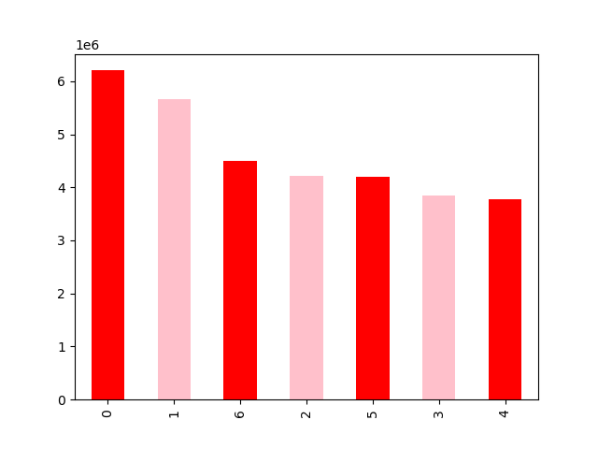


KEY
0 = Saturday
1 = Sunday
2 = Monday
3 = Tuesday
4 = Wednesday
5 = Thursday
6 = Friday

They also want to know whether there are particular times of the day when people spend the most money, as this might inform the type of products they advertise at these times.

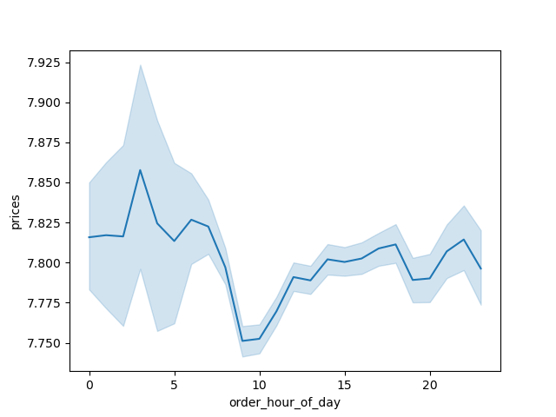

Line graph depicting average price of item ordered by the hour of the day
There isnt much difference in the price of items purchased based on the hour of the day. There is a peak at around 4 AM in price and the low point is around 10 AM but the price swing is not very signifigant

Instacart has a lot of products with different price tags. Marketing and sales want to use simpler price range groupings to help direct their efforts.

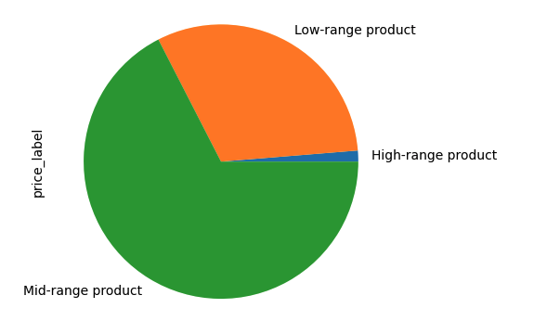
 | I made a grouping in the data frame that made a new column named 'price_label'. This grouped items by low, mid and high ranged priced products

 | Dataset | New column | Column/s it was derived from | Conditions | Frequency
 | ords_prods_merged | price_label | prices | price <= 5 : 'Low range product' | Low-range product 10126321
 |  |  |  | price > 5 & <= 15 : 'Mid range product' | Mid-range product 21860860
 |  |  |  | price > 15: 'High range product' | High-range product 417678

Are there certain types of products that are more popular than others? The marketing and sales teams want to know which departments have the highest frequency of product orders.

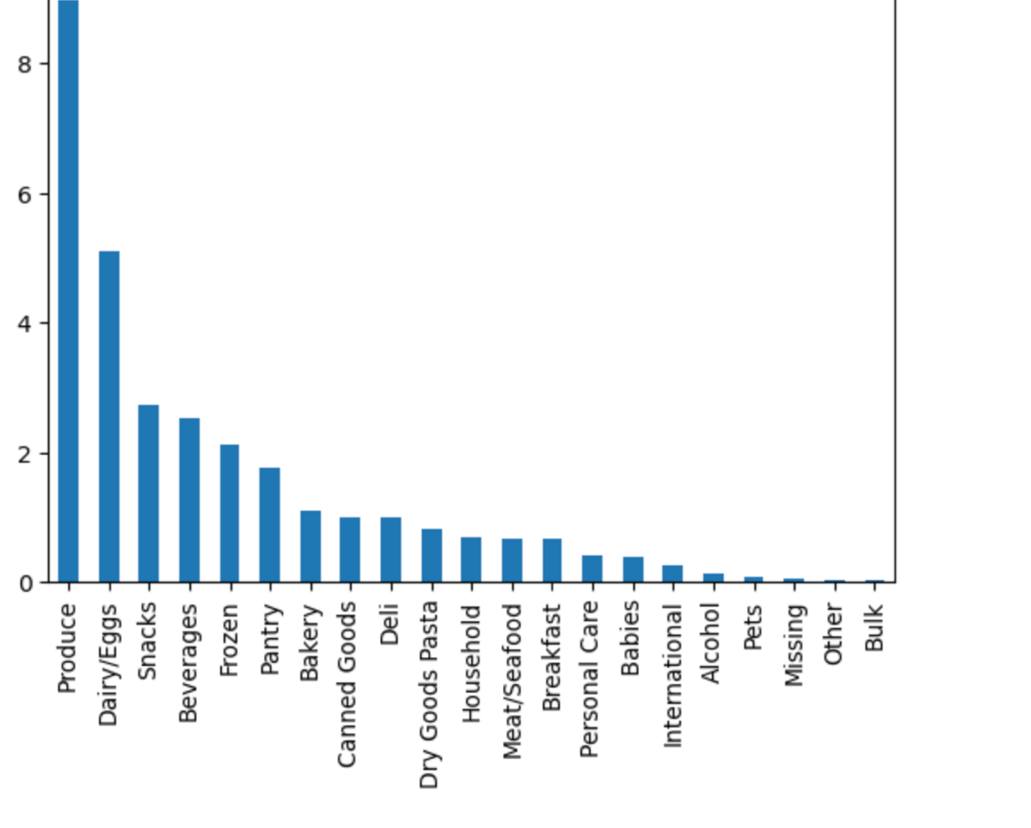

Bar Chart showing sales in each category / Dept ID
Produce, Dairy/Eggs and Snacks are the most popular

What’s the distribution among users in regards to their brand loyalty (i.e., how often do they return to Instacart)?

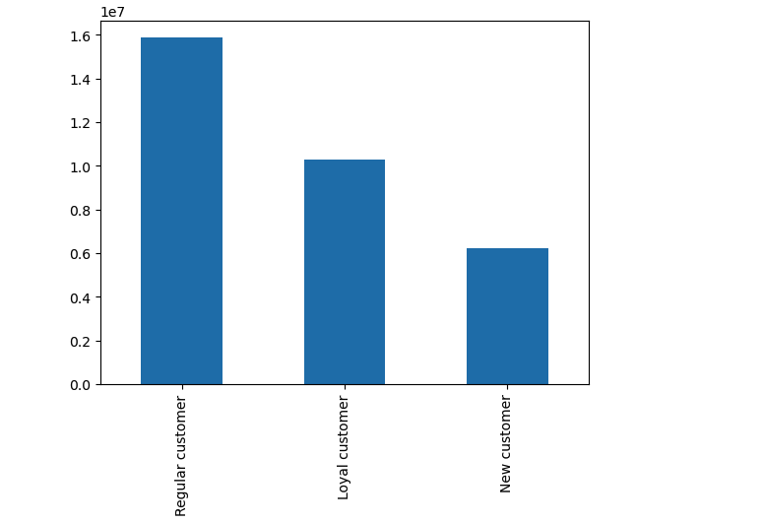

Bar Chart showing distribution of orders among customers loyalty
Regular Customers make up for most of the customers for Instacart with New Customers being the least
Loyal Customers have placed over 40 orders, Regular Customers have placed between 10 and 40 orders and New Custsomers have placed 10 or less orders

Are there differences in ordering habits based on a customer’s loyalty status?

The departments are numbered as followed:
1: department: frozen
2: department: other
3: department: bakery
4: department: produce
5: department: alcohol
6: department: international
7: department: beverages
8: department: pets
9: department: dry goods pasta
10: department: bulk
11: department: personal care
12: department: meat seafood
13: department: pantry
14: department: breakfast
15: department: canned goods
16: department: dairy eggs
17: department: household
18: department: babies
19: department: snacks
20: department: deli
21: department: missing
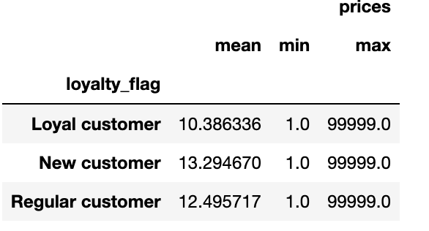
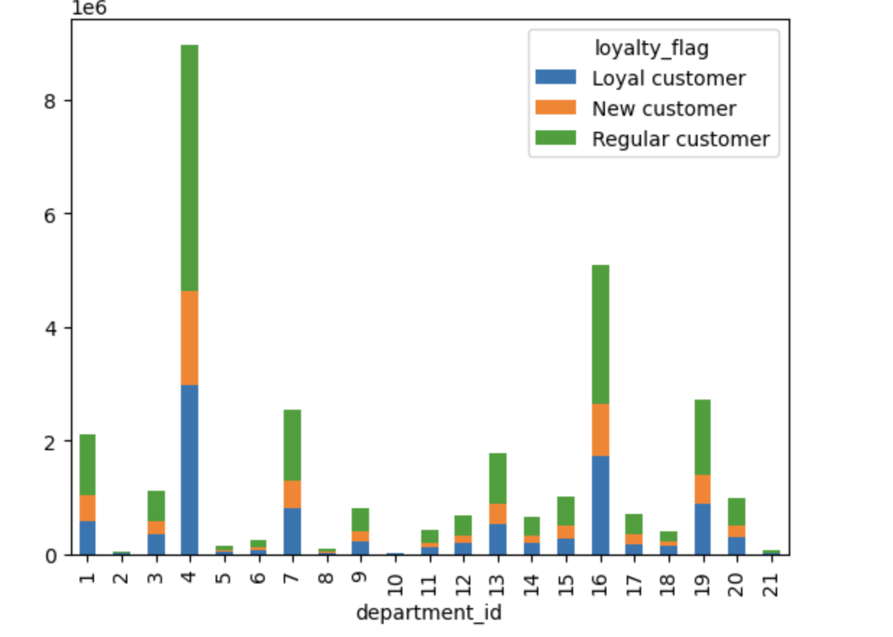

This stacked bar chart shows the relative number of orders customers of the three customer loyalty groups placed in the different departments.
Loyal customers tend to spend the least amount and Newer customer tend to spend the most

Are there differences in ordering habits based on a customer’s region?
The departments are numbered as followed:
1: department: frozen
2: department: other
3: department: bakery
4: department: produce
5: department: alcohol
6: department: international
7: department: beverages
8: department: pets
9: department: dry goods pasta
10: department: bulk
11: department: personal care
12: department: meat seafood
13: department: pantry
14: department: breakfast
15: department: canned goods
16: department: dairy eggs
17: department: household
18: department: babies
19: department: snacks
20: department: deli
21: department: missing
This multi bar chart shows the relative number of orders customers of four different regions make in each of the different departments.
The pattern seems to be relatively consistent. It does not appear that people in different regions have different ordering habits
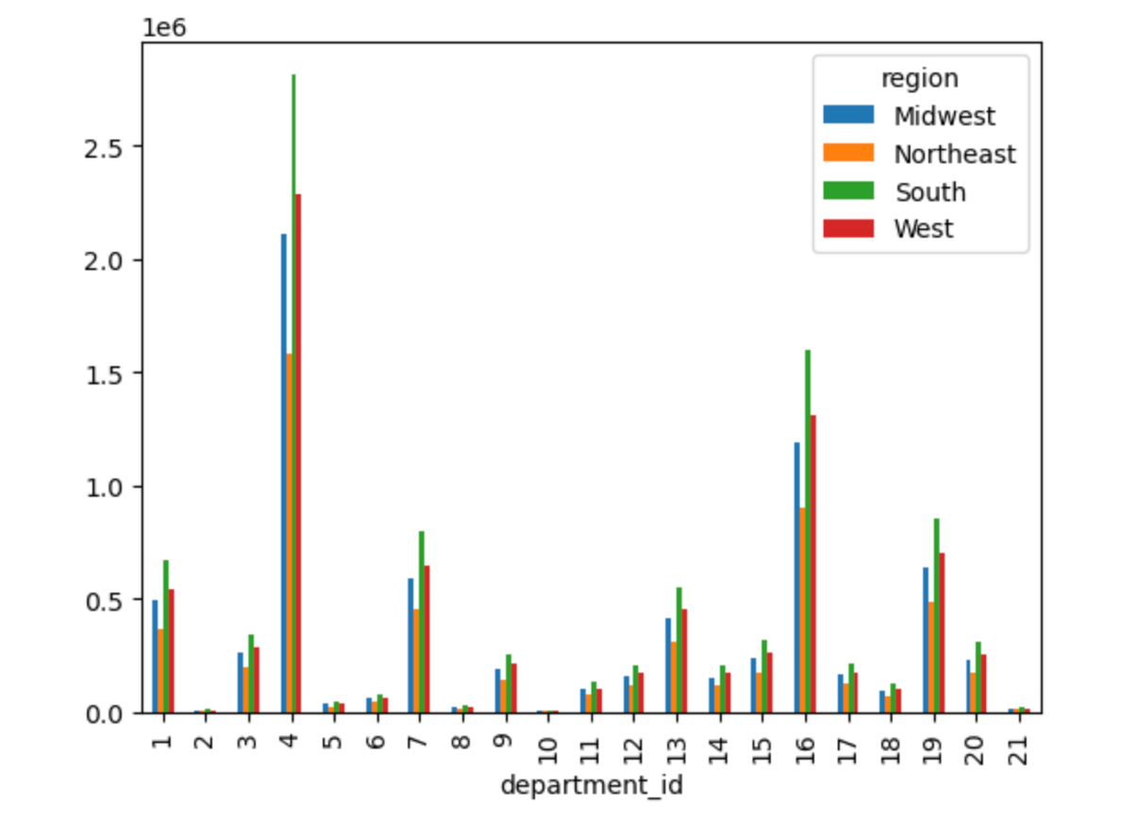

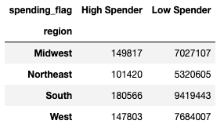

Is there a connection between age and family status in terms of ordering habits?
Line chart exploring if there is a connection between age and number of dependants
There is no connection to age and number of dependants. Rather all ages seem to have dependants and also not have dependants
Bar Chart showing the who the customers are based on marital status
Most Instacart users are married



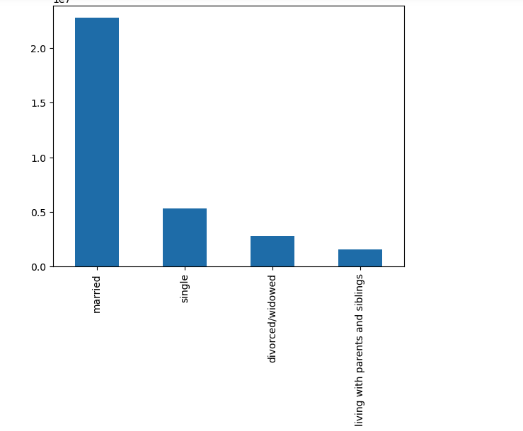

Bar chart showing the breakdown of customers and age
People under 20 and over 80 make up for the least amount of customers. The rest of the ages are about equal customer base
Bar chart showing the breakdown of customers by gender
More males buy from instacart than females (barely)

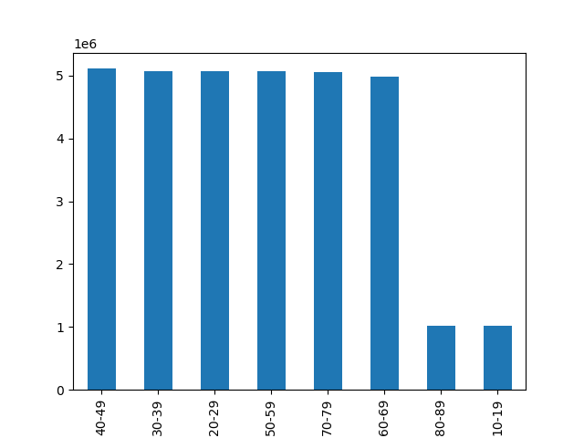

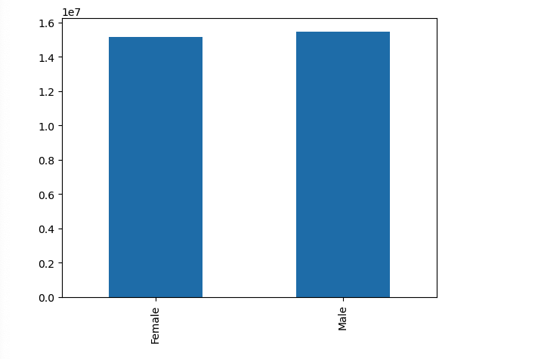

Bar chart showing the breakdown of customers marital status and loyalty status
Bar chart showing the breakdown of customers age bracket and loyalty status

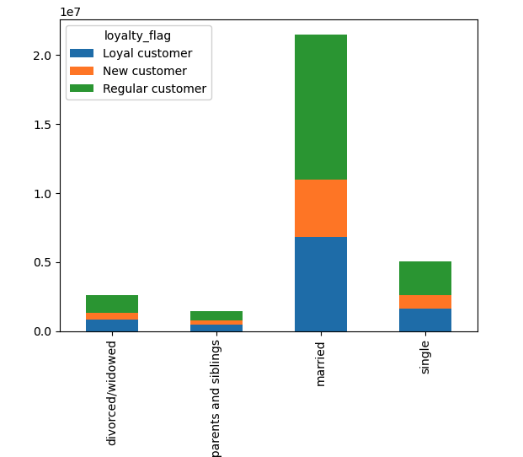
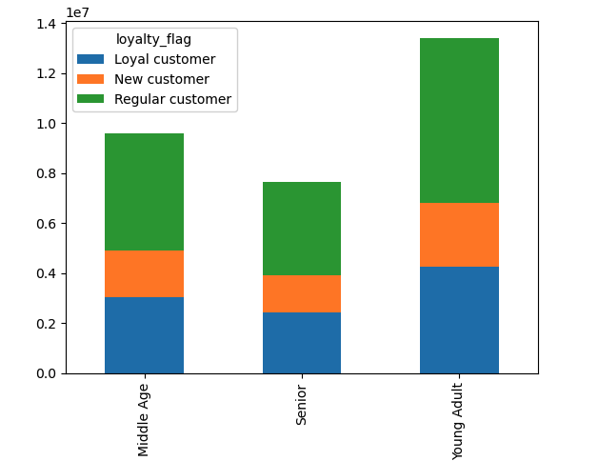

What different classifications does the demographic information suggest? Age? Income? Certain types of goods? Family status?
Bar Chart showing customers by age bracket
Most Instacart customers are young adults
Young Adult = 18 - 44
Middle Age = 45-65
Senior = 65+
Bar Chart showing customers with and with out kids
Customers with kids are about 75% of the customer base
Bar Chart showing customers based on income
Most of the customers are middle income
Low Income < $52,000
Middle Income > $52,000 & <= $155,999
High Income >= $156,00
Bar Chart showing customers based on marital status
Most of the customers are married

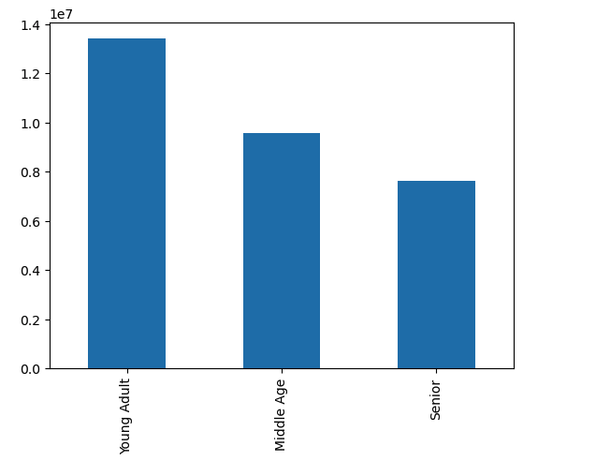
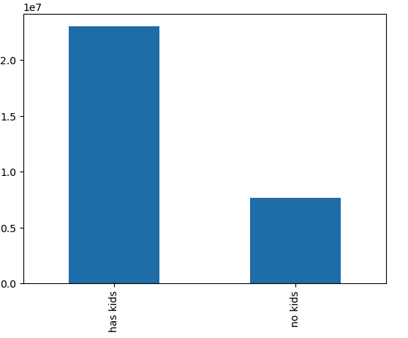
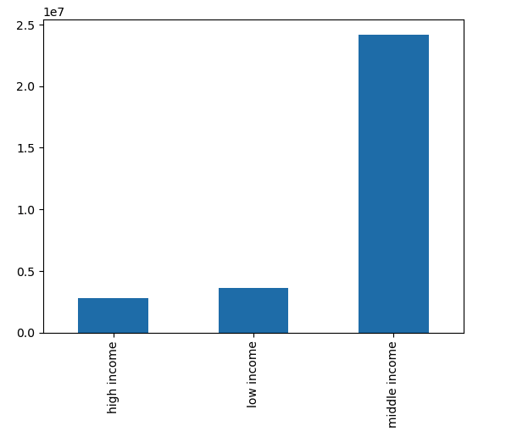
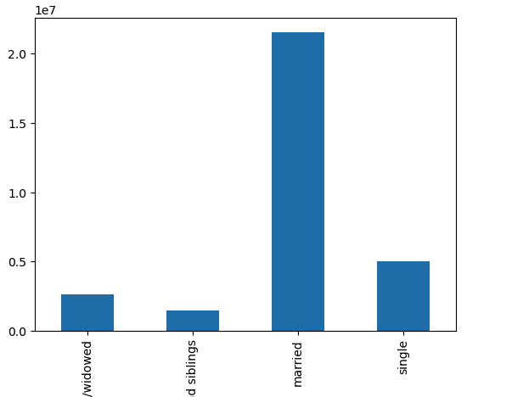

Bar Chart showing customers habits by age in each dept
Bar Chart showing customers habits by kids in each dept
Families with kids purchase the most products and is more than 75% in a lot categories (4:produce,16: beverages, 18: babies, 20: deil, 3: bakery, 1: frozen, 17: households)
The departments are numbered as followed:
1: department: frozen
2: department: other
3: department: bakery
4: department: produce
5: department: alcohol
6: department: international
7: department: beverages
8: department: pets
9: department: dry goods pasta
10: department: bulk
11: department: personal care
12: department: meat seafood
13: department: pantry
14: department: breakfast
15: department: canned goods
16: department: dairy eggs
17: department: household
18: department: babies
19: department: snacks
20: department: deli
21: department: missing
Bar Chart showing customers habits by income in each dept
Bar Chart showing customers habits by marital status in each dept

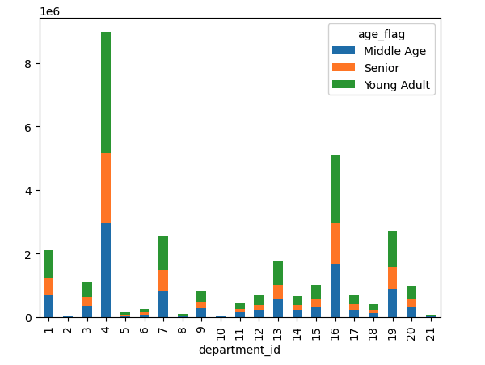
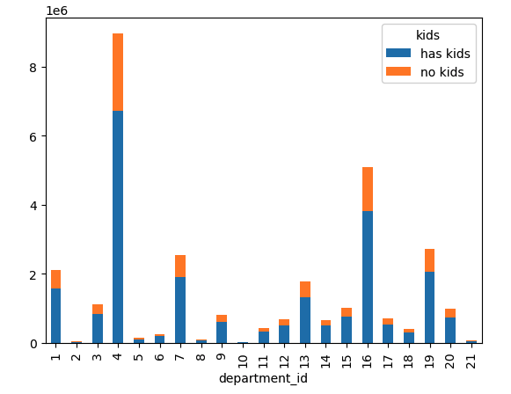
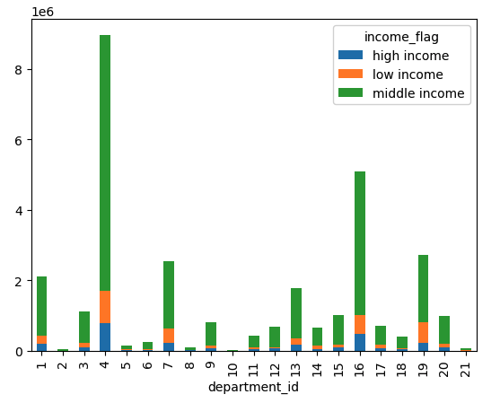
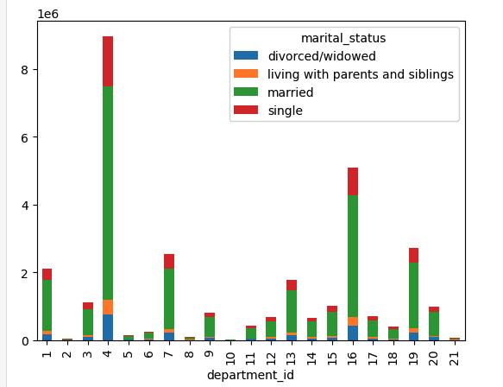

CONCLUSION:
The departments mainly seem consistent across customer profiles.

What differences can you find in ordering habits of different customer profiles? Consider the price of orders, the frequency of orders, the products customers are ordering, and anything else you can think of.

Bar Chart showing customers habits by age in each region
Bar Chart showing customers habits by with and with out kids in each region
Bar Chart showing customers habits by income in each region
Bar Chart showing customers habits by marital status in each region

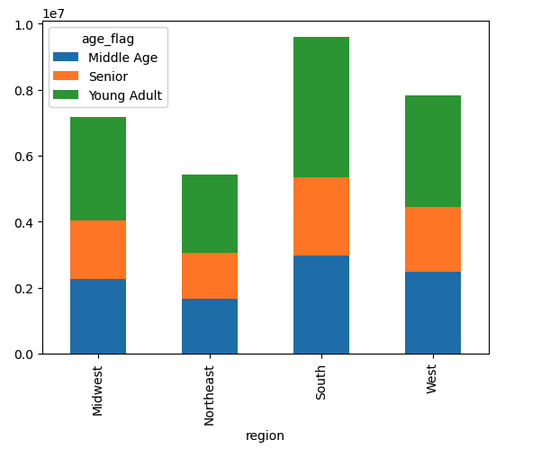
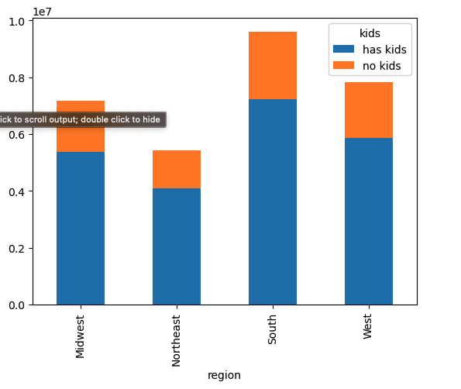
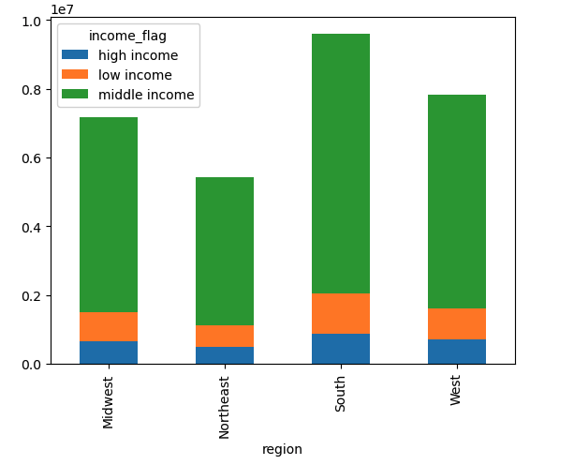
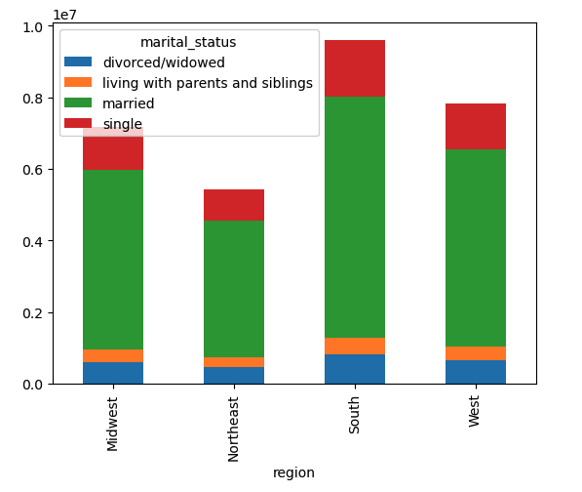

CONCLUSION:
The regions mainly seem consistent across customer profiles.

Bar Chart showing orders on the days of the week based on age
Bar Chart showing orders on the days of the week based on having kids
Bar Chart showing orders on the days of the week based on income
Lower income orders the most on Sunday
Bar Chart showing orders on the days of the week based on marital status

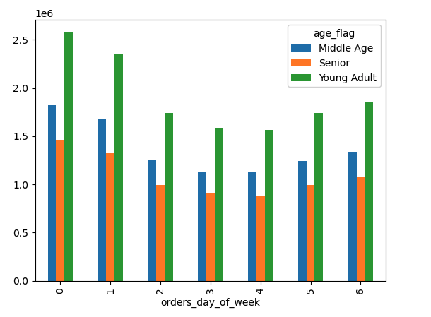
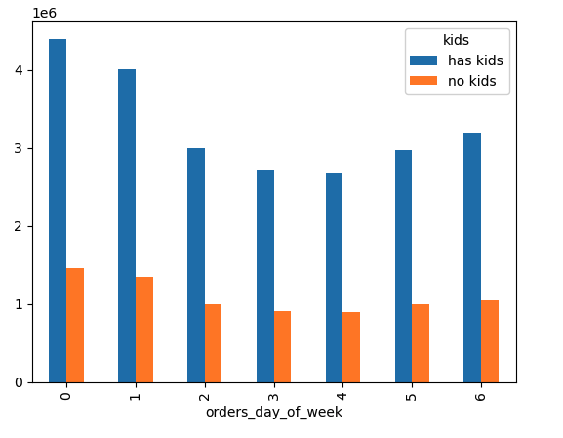
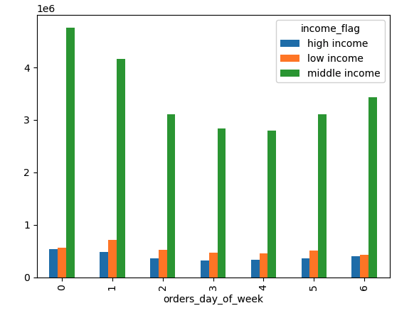
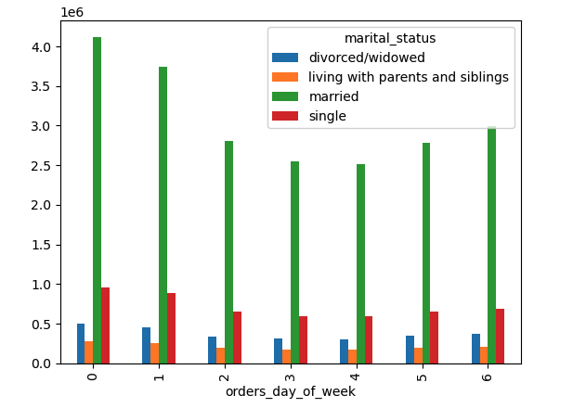
KEY
0 = Saturday
1 = Sunday
2 = Monday
3 = Tuesday
4 = Wednesday
5 = Thursday
6 = Friday

CONCLUSION:
Saturday overall is the most popular day for ordering. The exception is the lower income population. Thier most popular day is Sunday
Tuesday and Wednesday remain the least popular days

Additional 4.9 Visualizations

 | Histogram showing the price of items and the freqency of which they are purchased |  |  |  | Line Chart showing the days of the week and range of money spent items

 | Frequency of items purchased signifigantly drop off once the price is higher than $15.00 |  |  |  | Most spending occurs on the weekend

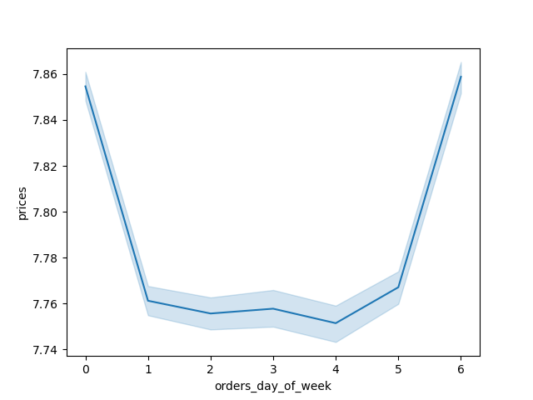

 |  |  |  |  |  | KEY
 |  |  |  |  |  | 0 = Saturday
 |  |  |  |  |  | 1 = Sunday
 |  |  |  |  |  | 2 = Monday
 |  |  |  |  |  | 3 = Tuesday
 |  |  |  |  |  | 4 = Wednesday
 |  |  |  |  |  | 5 = Thursday
 |  |  |  |  |  | 6 = Friday

 | Scatterplot showing the relationship between age and income

 | Once customers are 40 some begin have a higher income of 40K or higher

7. Recommendations
 | Title page

Recommendations

In this tab you should include any recommendations you would made to Instcart in terms of their marketing strategy based on the questions posed in the brief. Every key question has been covered in the Tasks of the Exercises - here you need to add an item - a visualisation or table/crosstable that is showing the answer in the data, acompanied by a comment from you. Please, list the questions below and add the answer underneath.

Question
What are the busiest days and hours of the day?
Answer
Friday, Saturday and Sunday are the busiest days of the week. In these days, the busiest hours are 9 AM to 4 PM .
Reccomendation: Schedule sales/ads on Tuesday or Wednesday between 9-4 (the slow days) to increase sales. Promote hot ticket items over the weekend when most users are using the appilication.
Question
Which time of day do customers spend the most money?
Answer
There is only a slight difference in amount spent over the course of the day. That time is the early morning 3 am - 7 am
Reccomendation:
Shouldn’t be a strong focus but Instacart could place ads for higher priced items in the early morning hours to see if there is any traction,
Question
What are our price groupings?
Answer
under or = $5.00 is a low range product
over $5.00 - under $15.00 is a mid range product
over $15.00 is a high range product
The majority of products are mid range products, about 60%
Question
What are the most popular departments?
Answer
Produce, Dairy/Eggs andSnacks are the most popular categories.
Reccomendation:
Look into why these are the most popular. Could send out an incentive survey to frequent customers asing what they buy and why and give them a free item (1 free produce or snack} or free delivery. Based on info coulld market aound that. The impression is that pratical perishable items that you dont want to go to the store for are top along with fun weekend snacks and drinks. Can more items be marketed as such?
Question
What is the distribution of brand loyalty?
Answer
Regular and loyal customers make up the majority of our clientele.
Reccomendation:
Our goal should be to increase regular to loyal, and new to regular. A punch card or a IC buyers club point system could help with this.
Question
Are there differences in ordering habits based on a customer’s loyalty status?
Answer
The spending pattern across departments based on loyalty seem relatively consistent
Reccomendation:
Look into areas other than loyalty status when it comes to client spending in various departments
Question
Are there differences in ordering habits based on a customer’s region?
Answer
The spending pattern across departments based on region seem relatively consistent
Reccomendation:
Look into areas other than region to boost IC business and understand client behavior
Question
Is there a connection between age and family status in terms of ordering habits?
Answer
There is no direct connection to age and family status. By simply looking at age and famiy status you can see that most customers are married, young adults
Reccomendation:
Target married young adults at a high populated group that makes up for a lot of IC business/. Focus on this grouping as a population we want to market to and continue to build upon
Question
What different classifications does the demographic information suggest?
Answer
Young Adults 18-44, married, with kids and middle income 52k-155k all make up the majority of the IC customer base.
People with kids are 75% of the customers which is signifigant
Reccomendation:
Target this group as the most important and valueable. We should focus no keeping and retaining this group. Marketing incentive for family style items, family incentive plans should be looked into.
Question
What differences can you find in ordering habits of different customer profiles?
Answer
Married customers with kids seem to spend the most and spend the msot in the popular categories. They are over 75% of the purchasing in produce, dairy, snack, frozen, deli, dry goods, bakery etc
The most popular day to order is Saturday with the exception of lower income. The lower income population tends to order on Sundays
Reccomendation:
Value deals/ coupons on Sundays. Focus marketing strategies to reach famllies with kids

